BVT
S no | Feature | BVT | Steps | Output | PowerBi | Chrome | Edge | Internet Exp
1 | Basic Bowtie chart | Display basic Bowtie chart | 1. Drag 'month' in 'source' field 2. Drag 'values' in 'value' field | Display basic Bowtie chart | 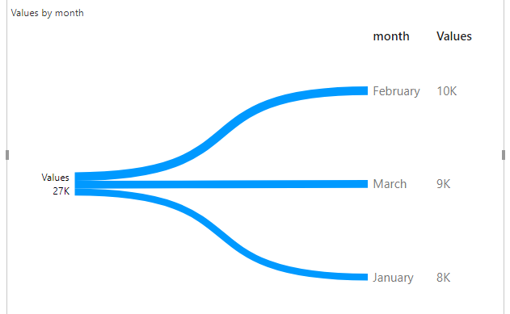 Pass | 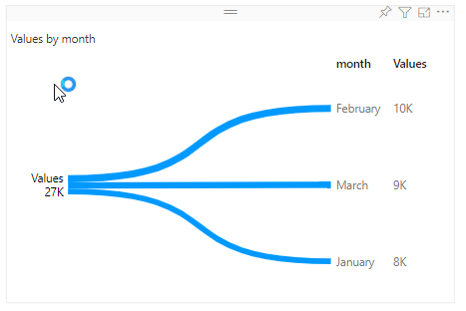 Pass | 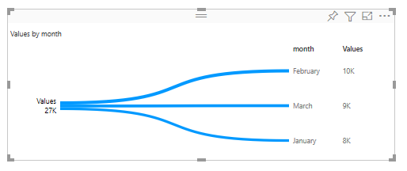 Pass | Pass
2 | Arch Fill Color | Update Arch Fill Color | 1. Go to formatting pane 2. Go to 'General' option 3. Update 'Arch Fill Color' to 'Green' | Arch Fill Color will be set to 'Green' | 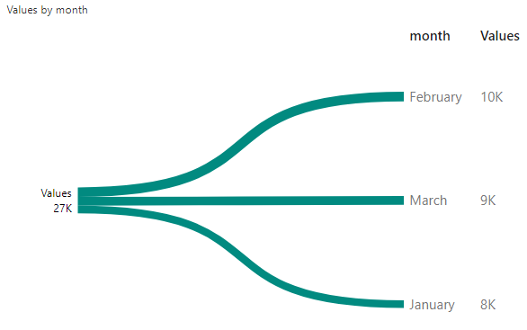 Pass | 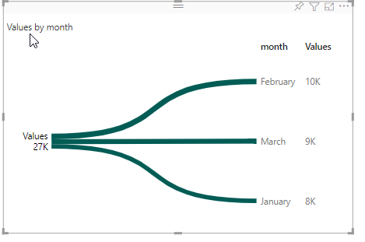 Pass | 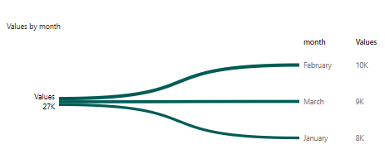 Pass | 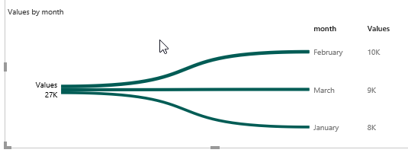 Pass
3 | Bowtie Title | Update text title, tooltip text, font color, background color and text size for title | 1. Go to formatting pane 2. Go to 'Bowtie Title' option 3. Switch the toggle on 4. Update 'Title Text' to 'month value' 5. Update 'Tooltip Text' to 'this is tooltip' 6. Update 'Font Color' to 'Black' 7. Update 'Background color' to 'grey' 8. Update 'Text size' to '20' | 1. Title will be displayed 2. 'Title Text' will be set to 'month value' 3. 'Tooltip text' will be set to be 'this is tooltip' 4. 'Font color' will be set to black 5. 'Background' color will be set to be 'grey' 6. 'Text size' will be resized to '20px' | 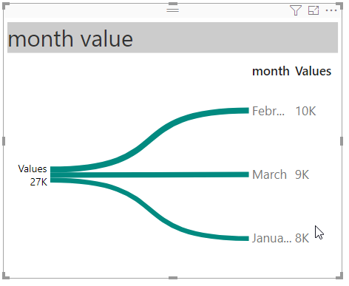 Pass | 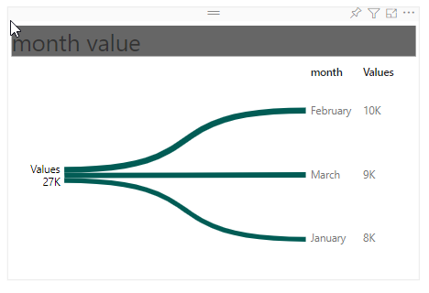 Pass | 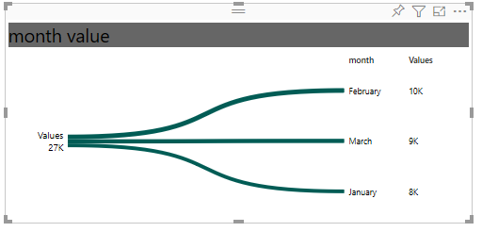 Pass | 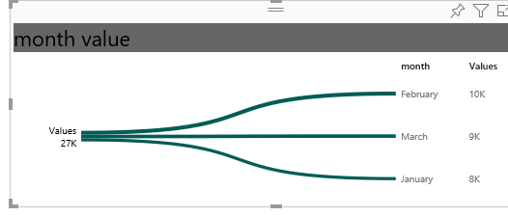 Pass
4 | Data Labels | Update data label's color, text size , display units and decimal value | 1. Go to formatting pane 2. Go to 'Data labels' option 3. Switch the toggle on 3. Update 'Color' to 'black' 4. Update 'Text size' to '14' 5. Update 'Display unit' to 'Thousand' 6. Update 'Decimal value' to '1' | 1. Data label will be visible in the visual 2. 'Color' will be set to 'black' 3. 'Text size' will be resized to '14px' 4. 'Display unit' will updated to '40K' 5. 'Decimal value' will be updated to '40.0K' | 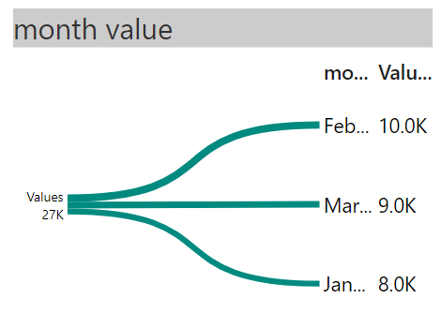 Pass | 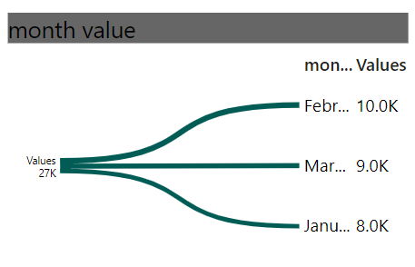 Pass | 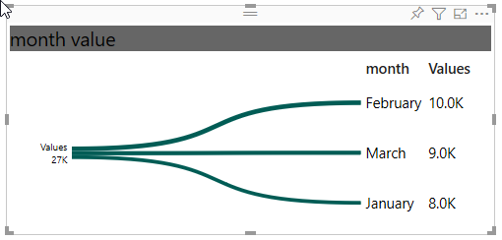 Pass | 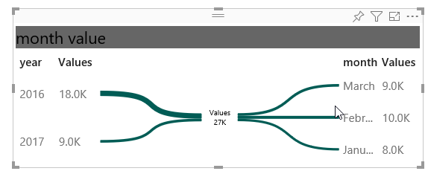 Pass
5 | Summary Label Setting | Update color, display unit, decimal value, text size, indicator, sign indicator and threshold for summary label setting | 1. Go to formatting pane 2. Go to 'Summary Label Setting ' option 3. Update 'Color' to 'black' 4. Update 'Display unit' to 'Thousand' 5. Update 'Decimal value' to '1' 6. Update 'Text size' to '14' 7. Switch the toggle on for 'Indicator' 8. Switch the toggle on for 'Sign Indicator' 9. Update threshold to '23' | 1. 'Color' will be set to 'black' 2. 'Display unit' will updated to '40K' 3. 'Decimal value' will be updated to '40.0K' 4. 'Text size' will be resized to '14px' 5. 'Indicator' and 'Sign Indicator' will be displayed 6. 'Threshold' will be set to '23' | 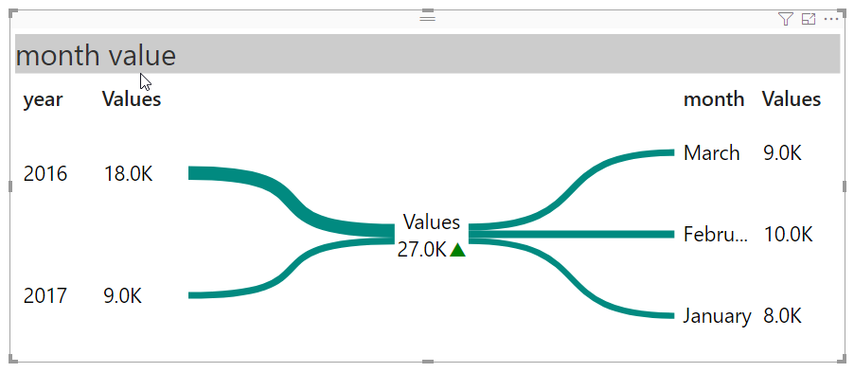 Pass | 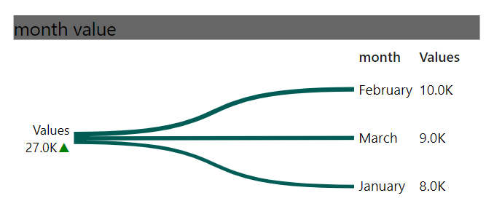 Pass | 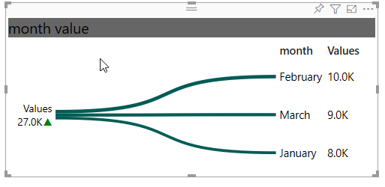 Pass | 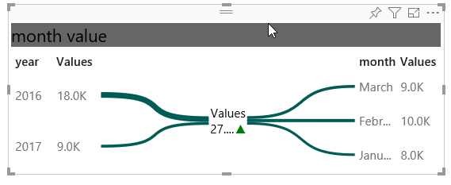 Pass

